Sheet1
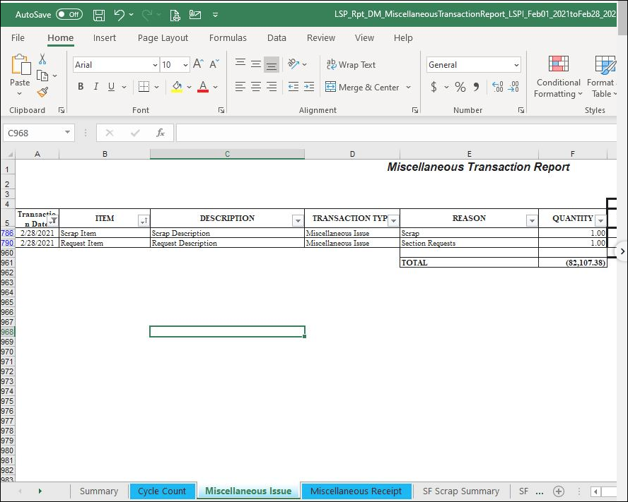

Remove Scrap Item and Request Item total in Miscellanous Issue sheet.
Changes: Add filter, [Item] not "Scrap Item" and "Request Item" if TransDesc = "Miscellaneous Issue"

2. Order of display in "Summary" sheet
Dan, mali pagkakasunod nito.
Dapatganito:
> Cycle count
> Misc issue
> Breakdown of scrap
> Breakdown of section request
> Misc receipt
Sort by:
TransType then by TransDesc

